Event Map
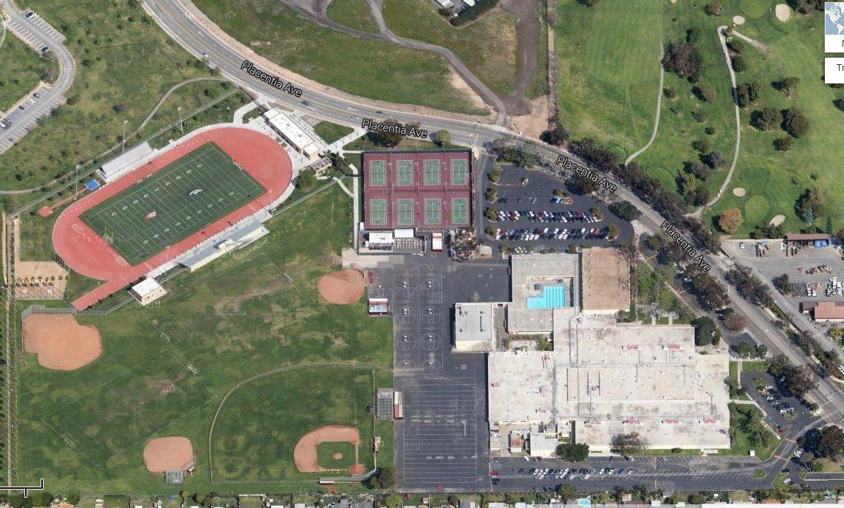
Here is a screenshot from the google maps page referenced on the parking tab

